Men Pant Size Chart
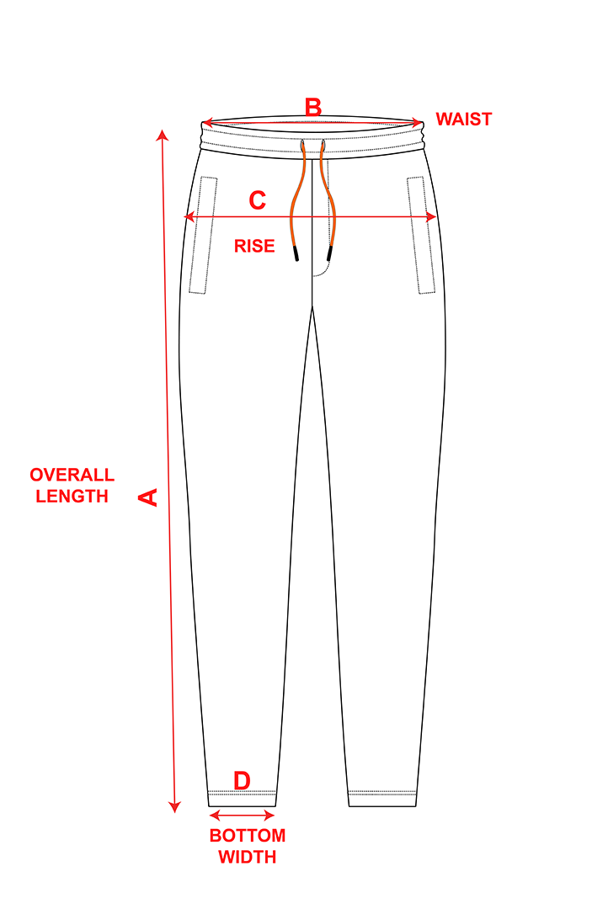

 | Men's Full Pant Size Chart (Inches)
 | POM | XS | S | M | L | XL | XXL | 3XL | 4XL
 | A(Length) | 15.7 | 16.5 | 17.7 | 18.5 | 19.7 | 20.5 | 21.3 | 21.7
 | B(Chest) | 11.8 | 12.6 | 13.4 | 14.2 | 15 | 15.7 | 16.5 | 16.9
 | C(Shoulder) | 19.3 | 20.1 | 20.9 | 21.7 | 22.4 | 23.2 | 24.4 | 24.8
 | D(Sleeve) | 11.4 | 11.8 | 12.4 | 13 | 13.6 | 14.2 | 15 | 15.4

All measurements sizes are in Inch and may rarely vary in the range of +/- 0.5 INCH

Men Half Trouser Size Chart
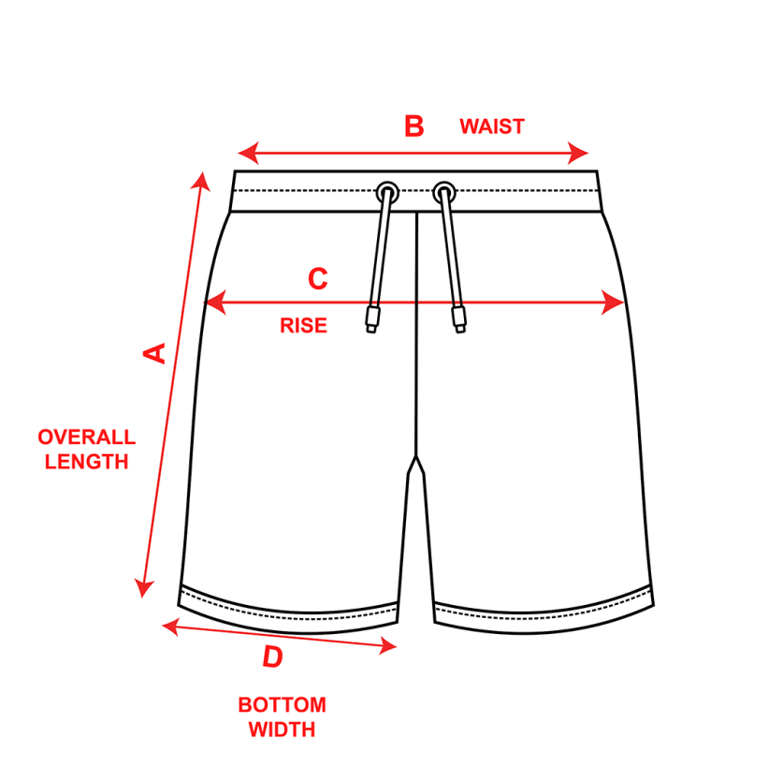

 | Men's Half Trouser Size Chart (Inches)
 | POM | XS | S | M | L | XL | XXL | 3XL | 4XL
 | A(Length) | 15.7 | 16.5 | 17.7 | 18.5 | 19.7 | 20.5 | 21.3 | 21.7
 | B(Chest) | 11.8 | 12.6 | 13.4 | 14.2 | 15 | 15.7 | 16.5 | 16.9
 | C(Shoulder) | 19.3 | 20.1 | 20.9 | 21.7 | 22.4 | 23.2 | 24.4 | 24.8
 | D(Sleeve) | 11.4 | 11.8 | 12.4 | 13 | 13.6 | 14.2 | 15 | 15.4

All measurements sizes are in Inch and may rarely vary in the range of +/- 0.5 INCH

Womens Half Trouser Size Chart


 | Women's Half Trouser Size Chart (Inches)
 | POM | XXS | XS | S | M | L | XL | 2XL
 | A(Length) | 15.3 | 15.3 | 15.7 | 16.1 | 16.5 | 16.9 | 17.3
 | B(Chest) | 11.8 | 12.7 | 13.7 | 14.7 | 15.7 | 16.7 | 17.7
 | C(Shoulder) | 17.7 | 18.8 | 20 | 21.2 | 22.8 | 24 | 25.1
 | D(Sleeve) | 10.2 | 10.6 | 11 | 11.6 | 12.2 | 12.7 | 13.3

All measurements sizes are in Inch and may rarely vary in the range of +/- 0.5 INCH

Kids Half Trouser Size Chart


 | Kid's Half Trouser Size Chart (Inches)
 | POM | EU120 | EU130 | EU140 | EU150 | EU160
 | A(Length) | 12 | 13.1 | 14.1 | 15.1 | 16.5
 | B(Chest) | 10 | 10.2 | 11 | 11.8 | 12.5
 | C(Shoulder) | 14.9 | 16.1 | 16.9 | 17.7 | 18.5
 | D(Sleeve) | 8.6 | 9 | 9.4 | 9.8 | 10.2

All measurements sizes are in Inch and may rarely vary in the range of +/- 0.5 INCH

