Kid's T-Shirt Size Chart
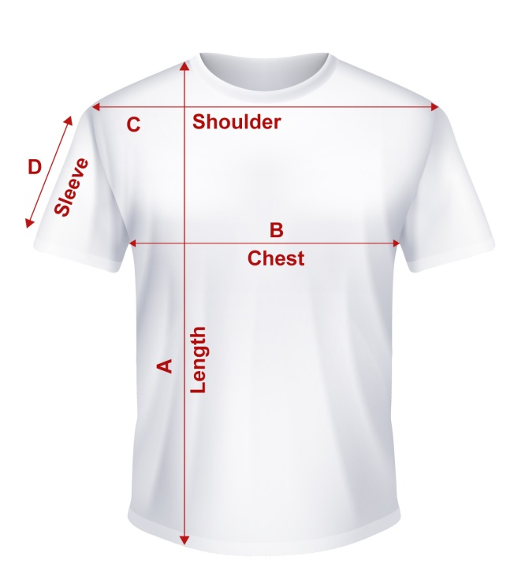

 | Kid's T-Shirt Size Chart (Inches)
 | POM | EU110 | EU120 | EU130 | EU140 | EU150 | EU160
 | A(Length) | 17.7 | 19.1 | 20.5 | 22 | 23.2 | 25.2
 | B(Chest) | 13 | 14.2 | 15.2 | 16.1 | 17.3 | 18.1
 | C(Shoulder) | 11.4 | 12.2 | 13 | 14.2 | 15 | 15.7
 | D(Sleeve) | 5.12 | 5.71 | 5.91 | 6.3 | 6.69 | 7.09

All measurements sizes are in Inch and may rarely vary in the range of +/- 0.5 INCH

Women's T-Shirt Size Chart
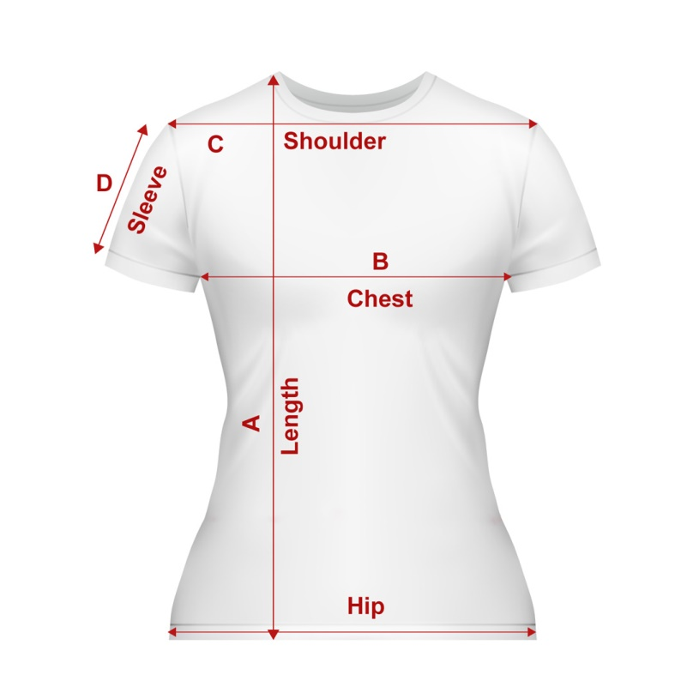

 | Women's T-Shirt Size Chart
 | POM | XS | S | M | L | XL | XXL | 3XL | 4XL | 5XL
 | A(Length) | 24 | 24 | 26 | 27 | 28.1 | 28.9 | 29.7 | 32.7 | 31.1
 | B(Chest) | 16.9 | 18.1 | 19.3 | 20.5 | 21.7 | 22.4 | 23.6 | 24.8 | 25.6
 | C(Shoulder) | 14.6 | 15.4 | 16.5 | 17.3 | 18.1 | 18.9 | 19.7 | 20.5 | 21.3
 | D(Sleeve) | 6.7 | 7.1 | 7.5 | 7.9 | 8.3 | 8.7 | 9.1 | 9.4 | 9.8
 | E(Sleeve) | 16.1 | 16.7 | 17.7 | 18.5 | 19.7 | 20.9 | 21.7 | 22.8 | 9.8

All measurements sizes are in Inch and may rarely vary in the range of +/- 0.5 INCH

